RL
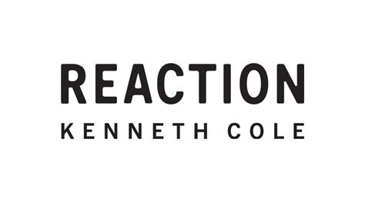
SPRING 2025
IMAGE | STYLE NAME | STYLE NUMBER | SALES MATERIAL | SALES COLOR | NRF | WHLS | RETAIL | PAIRS
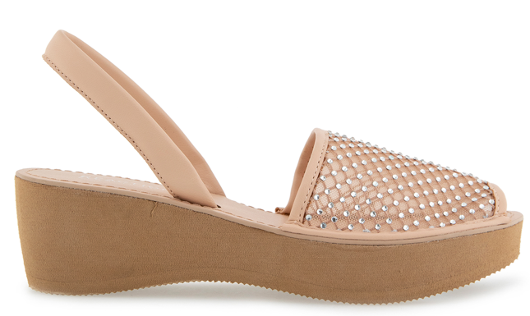 | FINE GLASS MESH | RL23FGM04 | CRYSTAL MESH | ALMOND CRYSTAL MESH | 273 | $31.00 | $69.00 | 1537
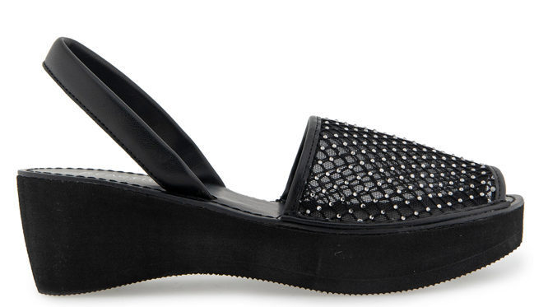 | FINE GLASS MESH | RL23FGM03 | CRYSTAL MESH | BLACK CRYSTAL MESH | 006 | $31.00 | $69.00 | 1567
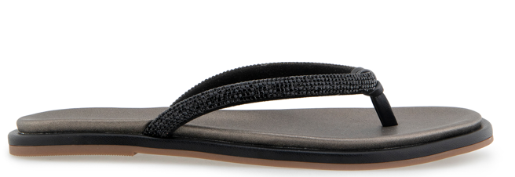 | WYNWOOD | RL25WYN01 | MICRO/JEWEL | BLACK | 001 | $26.50 | $59.00 | 1640
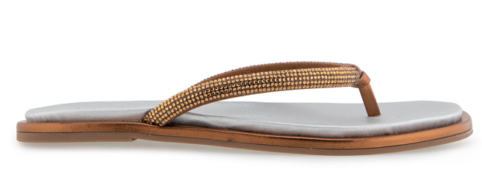 | WYNWOOD | RL25WYN03 | MICRO/JEWEL | BRONZE | 222 | $26.50 | $69.00 | 1702
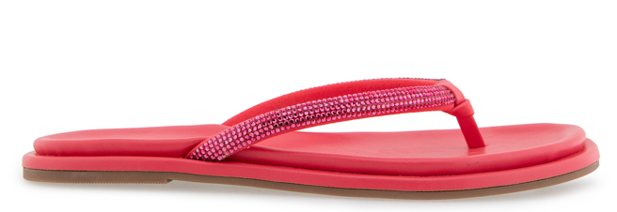 | WYNWOOD | RL25WYN05 | MICRO/JEWEL | GERANIUM | 650 | $26.50 | $69.00 | 1707
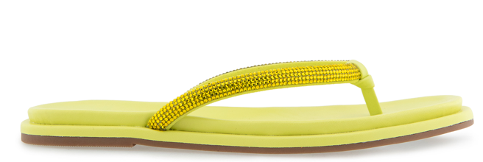 | WYNWOOD | RL25WYN04 | MICRO/JEWEL | LIMEADE | 350 | $26.50 | $69.00 | 1682
 |  |  |  |  |  |  |  | 9835

